Hiearchy View
Class: MV FEEDER CABLE
Medium voltage cable that is made from a number of different elements that when together enable the coax cable to carry the radio frequency signals with a low level of loss from one location to another. | 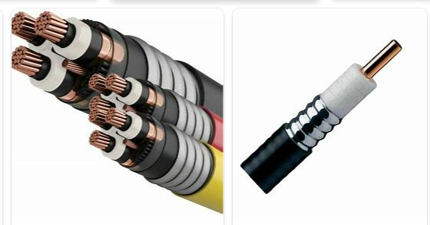
REMOVE | N

PROBLEM_DESC | CAUSE_DESC | REMEDY_DESC
ALARM/SENSOR
BROKEN/DAMAGED
LEAKING
LIGHTING
NOISE
OTHER PROBLEM
OVERHEATING
PESTS
POWER-ELEC
PRESSURE
SMELL
STOPPED/SLOWED/POOR OPS
TEMP-CTRL
VIBRATION
Grand Total

